4th Grade Boys
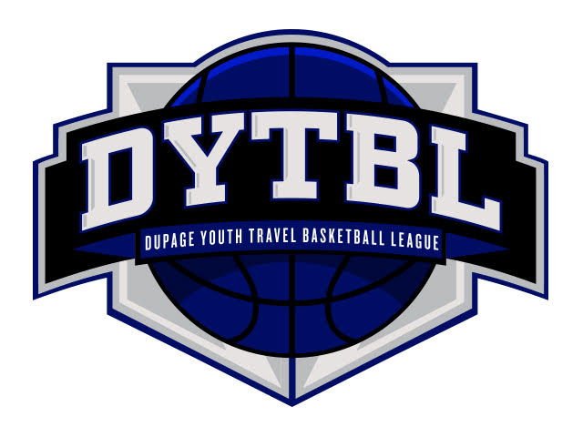
 | DYTBL 4th Grade
 | CURRENT STANDINGS AS OF February 17th at 11:00am

GOLD DIVISION |  |  | Games Played | Wins | Loses | % | Points Allowed | Average Points Allowed | Head to Head

#1 Seed | Hinsdale Inferno - White |  | 20 | 18 | 2 | 0.900 | 559 | 27.95
#2 Seed | Hinsdale Inferno - Red |  | 20 | 16 | 4 | 0.800 | 518 | 25.90
#3 Seed | St. Charles Storm - White |  | 20 | 14 | 6 | 0.700 | 577 | 28.85
#4 Seed | OPRF Jr. Huskies - Blue |  | 19 | 13 | 6 | 0.684 | 576 | 30.32
#5 Seed | Batavia Bulldogs - Red |  | 19 | 10 | 9 | 0.526 | 570 | 30.00
#6 Seed | TTNL |  | 20 | 9 | 11 | 0.450 | 620 | 31.00
#7 Seed | Geneva Vikings - Huetteman |  | 20 | 8 | 12 | 0.400 | 709 | 35.45
#8 Seed | Glen Ellyn Titans - Green |  | 20 | 7 | 13 | 0.350 | 615 | 30.75 | (2-0 vs Vikings Select)
#9 Seed | Vikings Select - Blue |  | 20 | 7 | 13 | 0.350 | 612 | 30.60 | (0-2 vs Glen Ellyn Titans)
#10 Seed | Western Springs Blazers - Rogers |  | 20 | 6 | 14 | 0.300 | 694 | 34.70
#11 Seed | La Grange Lions - Black |  | 20 | 1 | 19 | 0.050 | 733 | 36.65

SILVER DIVISION |  |  | Games Played | Wins | Loses | % | Points Allowed | Average Points Allowed | Head to Head

UPPER BRACKET
#1 Seed | Carol Stream Panthers | PAC-12 | 14 | 14 | 0 | 1.000 | 270 | 19.29
#2 Seed | Elmhurst Airborne - Green | SEC | 14 | 14 | 0 | 1.000 | 285 | 20.36
#3 Seed | Wheaton Vipers - Red | Big Ten | 14 | 13 | 1 | 0.929 | 347 | 24.79
#4 Seed | Roselle Raptors | PAC-12 | 14 | 11 | 3 | 0.786 | 245 | 17.50
#5 Seed | Jr. Redwings | Big Ten | 14 | 11 | 3 | 0.786 | 301 | 21.50
#6 Seed | Downers Grove Wolfpack - Purple | SEC | 14 | 10 | 4 | 0.714 | 295 | 21.07 | (1-1 vs DG Nomads)
#7 Seed | Downers Grove Nomads | SEC | 14 | 10 | 4 | 0.714 | 307 | 21.93 | (1-1 vs DG Wolfpack - Purple)
#8 Seed | Glen Ellyn Titans - White | Big Ten | 14 | 10 | 4 | 0.714 | 390 | 27.86

MIDDLE BRACKET
#1 Seed | Huntley Red Raiders - Red | PAC-12 | 14 | 10 | 4 | 0.714 | 407 | 29.07
#2 Seed | Westmont Wolverines - White | SEC | 14 | 8 | 6 | 0.571 | 361 | 25.79
#3 Seed | Glen Ellyn Raiders | Big Ten | 14 | 7 | 7 | 0.500 | 371 | 26.50 | (1-1 vs LAC)
#4 Seed | Vikings Select - Grey | PAC-12 | 14 | 7 | 7 | 0.500 | 391 | 27.93
#5 Seed | Ridgewood Rebels | SEC | 14 | 7 | 7 | 0.500 | 414 | 29.57
#6 Seed | LAC Thunder | Big Ten | 14 | 7 | 7 | 0.500 | 419 | 29.93 | (1-1 vs Glen Ellyn Raiders)
#7 Seed | Barrington Broncos | PAC-12 | 14 | 6 | 8 | 0.429 | 398 | 28.43
#8 Seed | Downers Grove Wolfpack - Black | Big Ten | 14 | 5 | 9 | 0.357 | 401 | 28.64

LOWER BRACKET
#1 Seed | Conant Cougars | PAC-12 | 14 | 4 | 10 | 0.286 | 409 | 29.21
#2 Seed | Addison Blazers | SEC | 14 | 4 | 10 | 0.286 | 423 | 30.21
#3 Seed | Hinsdale Inferno - Black | SEC | 14 | 3 | 11 | 0.214 | 366 | 26.14
#4 Seed | Westmont Wolverines - Red | Big Ten | 14 | 3 | 11 | 0.214 | 410 | 29.29
#5 Seed | St. Charles Storm - Black | PAC-12 | 14 | 3 | 11 | 0.214 | 434 | 31.00
#6 Seed | Burlington Rockets | PAC-12 | 14 | 1 | 13 | 0.071 | 469 | 33.50
#7 Seed | Naperville Redhawks | Big Ten | 14 | 0 | 14 | 0.000 | 504 | 36.00
#8 Seed | OPRF Jr. Huskies - Orange | SEC | 14 | 0 | 14 | 0.000 | 533 | 38.07

BRONZE DIVISION |  |  | Games Played | Wins | Loses | % | Points Allowed | Average Points Allowed | Head to Head

UPPER BRACKET
#1 Seed | Naperville Future Huskies - Orange | Big East | 16 | 16 | 0 | 1.000 | 232 | 14.50
#2 Seed | Western Springs Blazers - Z | Mountain West | 18 | 16 | 2 | 0.889 | 231 | 12.83 | (1-1 vs Darien)
#3 Seed | Darien Knights | Mountain West | 18 | 16 | 2 | 0.889 | 326 | 18.11 | (1-1 vs Western Springs)
#4 Seed | FCA | Big East | 16 | 14 | 2 | 0.875 | 253 | 15.81
#5 Seed | Western Springs Blazers - K | ACC | 18 | 15 | 3 | 0.833 | 312 | 17.33
#6 Seed | West Suburban Trojans | Mountain West | 17 | 14 | 3 | 0.824 | 344 | 20.24
#7 Seed | Schaumburg Jr. Saxons - Red | ACC | 18 | 14 | 4 | 0.778 | 356 | 19.78
#8 Seed | Knights - Blue | ACC | 18 | 13 | 5 | 0.722 | 308 | 17.11
#9 Seed | Geneva Vikings | Big East | 16 | 11 | 5 | 0.688 | 300 | 18.75 | (1-1 vs Bartlett)
#10 Seed | Bartlett Hawks | Big East | 16 | 11 | 5 | 0.688 | 368 | 23.00 | (1-1 vs Geneva)

MIDDLE BRACKET
#1 Seed | Elmhurst Airborne - White | Mountain West | 17 | 11 | 6 | 0.647 | 318 | 18.71
#2 Seed | Wheaton Vipers - White | ACC | 18 | 11 | 7 | 0.611 | 406 | 22.56
#3 Seed | Downers Grove Wolfpack - White | Mountain West | 17 | 10 | 7 | 0.588 | 413 | 24.29
#4 Seed | Conant Cougars | ACC | 18 | 10 | 8 | 0.556 | 308 | 17.11
#5 Seed | Kaneland Cagers | Big East | 16 | 8 | 8 | 0.500 | 366 | 22.88
#6 Seed | Barrington Broncos | ACC | 17 | 8 | 9 | 0.471 | 360 | 21.18
#7 Seed | Willowbrook Jr. Warriors | Mountain West | 18 | 8 | 10 | 0.444 | 491 | 27.28
#8 Seed | Schaumburg Jr. Saxons - White | ACC | 18 | 8 | 10 | 0.444 | 498 | 27.67
#9 Seed | Carol Stream Panthers | ACC | 18 | 7 | 11 | 0.389 | 436 | 24.22
#10 Seed | Knights - White | Mountain West | 18 | 6 | 12 | 0.333 | 474 | 26.33

LOWER BRACKET
#1 Seed | St. Charles Storm - Red | Big East | 16 | 5 | 11 | 0.313 | 432 | 27.00 | (1-1 vs Yorkville)
#2 Seed | Yorkville | Big East | 16 | 5 | 11 | 0.313 | 476 | 29.75 | (1-1 vs St. Charles)
#3 Seed | Team MC | Mountain West | 18 | 5 | 13 | 0.278 | 515 | 28.61
#4 Seed | Batavia Bulldogs - Gold | Big East | 16 | 2 | 14 | 0.125 | 487 | 30.44
#5 Seed | Naperville Future Huskies - Blue | ACC | 17 | 2 | 15 | 0.118 | 527 | 31.00
#6 Seed | Jr. Redwings | Mountain West | 17 | 1 | 16 | 0.059 | 646 | 38.00
#7 Seed | Downers Grove Nomads | Mountain West | 18 | 1 | 17 | 0.056 | 602 | 33.44
#8 Seed | Wheatland Wizards | ACC | 16 | 0 | 16 | 0.000 | 585 | 36.56
#9 Seed | West Chicago Wildcats | Big East | 16 | 0 | 16 | 0.000 | 594 | 37.13

