Sheet1
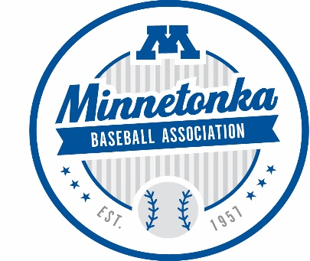

2022 League Age:

Fall League Age: |  |  | Players age as of April 30, 2023 (For example 10YO Spring team = 11YO Fall Team)

Level of Play:

 | Coach | First Name | Last Name | Phone | Email
1 | Head Coach
2 | Assistant Coach
3 | Assistant Coach
4 | Team Manager |  |  |  |  |  | Is Player Participating
 | ***official team staff cannot exceed four people*** |  |  |  |  |  | in Fall Brower Program
 |  |  |  |  |  |  | (Yes/No)
 | Roster Player First Name | Roster Player Last Name | Birthdate | 2022 Spring League Team | Parent / Guardian Name | Parent / Guaridan Email | 12YO and Older ONLY
Example | Carlos | Correa | 1994-09-22 | Minnesota Twins | Carlos Correa Sr. | example@example.com | Yes
1
2
3
4
5
6
7
8
9
10
11
12
13
14
15
 | ***teams will play at the league age of the oldest player on the team***

Completed roster must be emailed to tonkafallbaseball@gmail.com and andytthill@gmail.com as soon as your team has been formed. This will allow MBA time to match player registrations
with the appropriate Fall Ball Team. If you have any questions, please contact Brandon or Andy.

