Team Name
Carolina Piedmont Softball League
www.carolinapiedmontsoftball.org
 |  |  |  |  |  |  |  |  |  |  |  |  |  |  |  |  |  |  |  |  |  |  |  | 2025 Ratings Form

DATE: |  |  |  | LEAGUE NAME: |  |  |  | CPSA |  |  |  |  |  |  |  | TEAM NAME: |  |  |  |  |  |  |  |  |  |  |  |  | TEAM |  |  |  |  | 0
 |  |  |  |  |  |  |  |  |  |  |  |  |  |  |  |  |  |  |  |  |  |  |  |  |  |  |  |  | RATING:
PLAYER'S NAME |  | Jersey No. | Email | Birth Year YYYY | NG | CLT? | Velocity Question's |  |  |  |  | Avg Question's |  |  |  | Running Question's |  |  | Fielding Question's |  |  |  |  |  |  |  | Throwing Question's |  |  |  |  |  | PLAYER RATING
 |  |  | Address |  |  |  | 1 | 2 | 3 | 4 | 5 | 6 | 7 | 8 | 9 | 10 | 11 | 12 | 13 | 14 | 15 | 16 | 17 | 18 | 19 | 20 | 21 | 22 | 23 | 24 | 25 | 26 |  | Player Signature
1 |  |  |  |  |  |  |  |  |  |  |  |  |  |  |  |  |  |  |  |  |  |  |  |  |  |  |  |  |  |  |  |  | 0
2 |  |  |  |  |  |  |  |  |  |  |  |  |  |  |  |  |  |  |  |  |  |  |  |  |  |  |  |  |  |  |  |  | 0
3 |  |  |  |  |  |  |  |  |  |  |  |  |  |  |  |  |  |  |  |  |  |  |  |  |  |  |  |  |  |  |  |  | 0
4 |  |  |  |  |  |  |  |  |  |  |  |  |  |  |  |  |  |  |  |  |  |  |  |  |  |  |  |  |  |  |  |  | 0
5 |  |  |  |  |  |  |  |  |  |  |  |  |  |  |  |  |  |  |  |  |  |  |  |  |  |  |  |  |  |  |  |  | 0
6 |  |  |  |  |  |  |  |  |  |  |  |  |  |  |  |  |  |  |  |  |  |  |  |  |  |  |  |  |  |  |  |  | 0
7 |  |  |  |  |  |  |  |  |  |  |  |  |  |  |  |  |  |  |  |  |  |  |  |  |  |  |  |  |  |  |  |  | 0
8 |  |  |  |  |  |  |  |  |  |  |  |  |  |  |  |  |  |  |  |  |  |  |  |  |  |  |  |  |  |  |  |  | 0
9 |  |  |  |  |  |  |  |  |  |  |  |  |  |  |  |  |  |  |  |  |  |  |  |  |  |  |  |  |  |  |  |  | 0
10 |  |  |  |  |  |  |  |  |  |  |  |  |  |  |  |  |  |  |  |  |  |  |  |  |  |  |  |  |  |  |  |  | 0
11 |  |  |  |  |  |  |  |  |  |  |  |  |  |  |  |  |  |  |  |  |  |  |  |  |  |  |  |  |  |  |  |  | 0
12 |  |  |  |  |  |  |  |  |  |  |  |  |  |  |  |  |  |  |  |  |  |  |  |  |  |  |  |  |  |  |  |  | 0
13 |  |  |  |  |  |  |  |  |  |  |  |  |  |  |  |  |  |  |  |  |  |  |  |  |  |  |  |  |  |  |  |  | 0
14 |  |  |  |  |  |  |  |  |  |  |  |  |  |  |  |  |  |  |  |  |  |  |  |  |  |  |  |  |  |  |  |  | 0
15 |  |  |  |  |  |  |  |  |  |  |  |  |  |  |  |  |  |  |  |  |  |  |  |  |  |  |  |  |  |  |  |  | 0
16 |  |  |  |  |  |  |  |  |  |  |  |  |  |  |  |  |  |  |  |  |  |  |  |  |  |  |  |  |  |  |  |  | 0
17 |  |  |  |  |  |  |  |  |  |  |  |  |  |  |  |  |  |  |  |  |  |  |  |  |  |  |  |  |  |  |  |  | 0
18 |  |  |  |  |  |  |  |  |  |  |  |  |  |  |  |  |  |  |  |  |  |  |  |  |  |  |  |  |  |  |  |  | 0
19 |  |  |  |  |  |  |  |  |  |  |  |  |  |  |  |  |  |  |  |  |  |  |  |  |  |  |  |  |  |  |  |  | 0
20 |  |  |  |  |  |  |  |  |  |  |  |  |  |  |  |  |  |  |  |  |  |  |  |  |  |  |  |  |  |  |  |  | 0
I certify that this Rating's Form is free of omission and falsehood, and that all listed players are eligible members of the CPSA.
MANAGER'S PRINTED NAME: Marvin Boone |  |  |  |  |  |  |  |  |  |  |  |  |  |  | MANAGER'S SIGNATURE:
INSTRUCTIONS
Prior to completing this form, please read the most current NAGAAA Ratings Guidelines provided to each manager.

1 | Enter the current date next to the Date column.
2 | Enter the team name next to the Team Name column.
3 | Enter the player's preferred first name and last name as it appears on their official ID. (first name then last name). Start with highest rated player to lowest rated player.
4 | Enter the player's jersey number if available. (If not available prior to season, please update as soon as possible.)
5 | Enter the player's year of birth only. (YYYY)
6 | Mark the NG column with an X if the player is non gay.
7 | Mark the CLT column with an X if the player is claiming CPSA as their World Series qualifying league for 2025.
8 | Place a "Y" in the corresponding cells to all questions with a YES answer.
9 | If a player does not possess the skill, please leave blank.
10 | The number of yes "Y" answers will automatically total and be entered in the column PLAYER RATING.
11 | The top 10 player ratings will automatically total and be entered in the cell TEAM RATING.
12 | Enter Manager's printed name.
13 | Once you have completed all information (with or without signatures):
 | A. | EMAIL TO: carolinapiedmontsl@gmail.com
 |  | Rosters (with or without signatures) must be emailed by May 2, 2025
 | B. | Updates and additions to a team's roster may be submitted after this date.
14 | All players must sign the roster verifying their information is correct
 | A. | Submit signed rosters either by
 |  |  |  | Submit to Kin Scott or Robert "Bud" Davis @ the fields - OR-
 |  |  |  | EMAIL TO: carolinapiedmontsl@gmail.com, Attn: Kin Scott and Bud Davis
 |  | Emails must be received by May 2, 2025

After the initial deadline, if your team has any additions, changes, or deletions of players to your team an UPDATED ratings form
must be completed and emailed to Director of Competition at carolinapiedmontsl@gmail.com

PLAYER RATING GUIDELINES
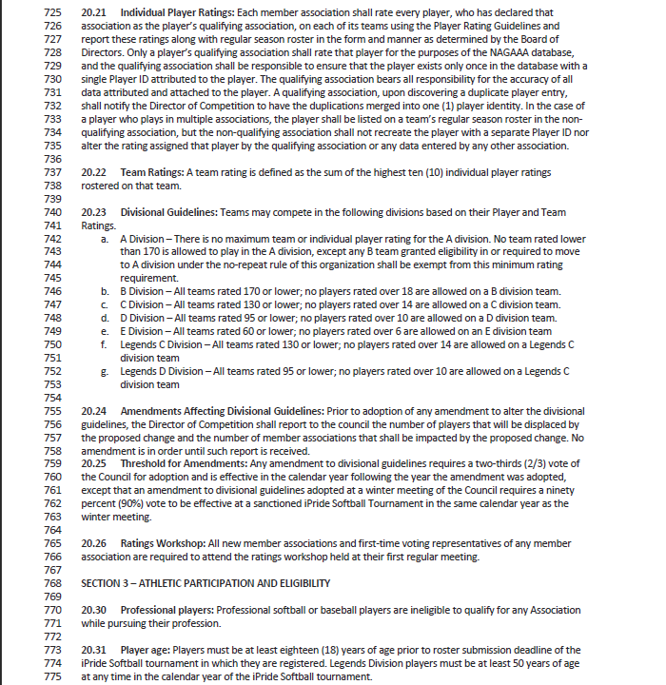

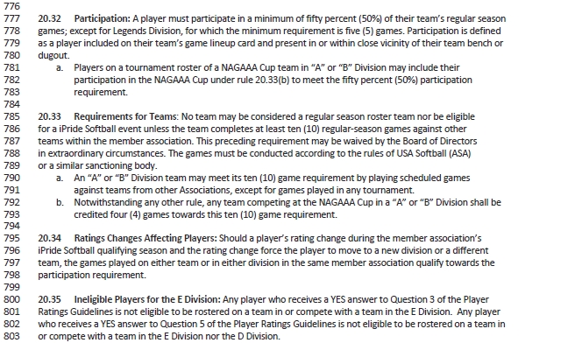

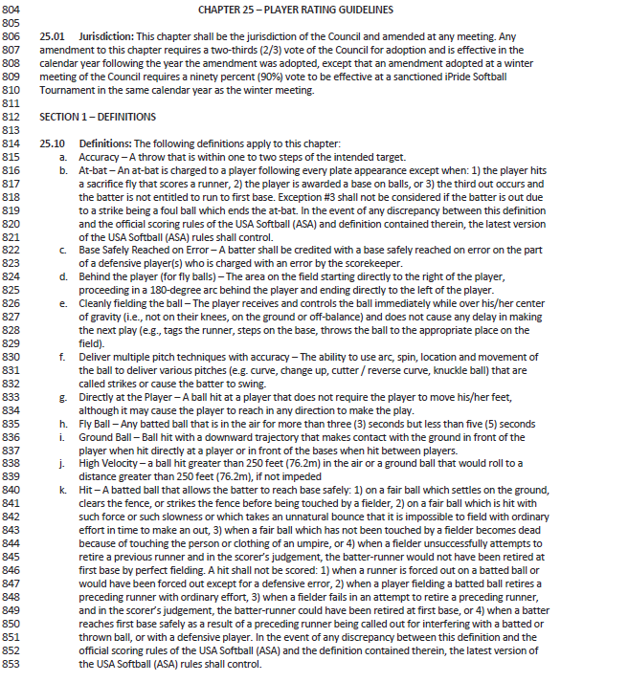

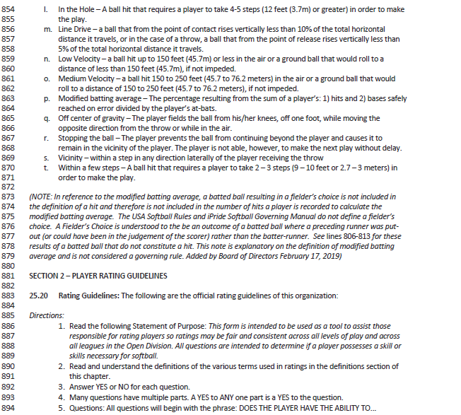

Rating Questions
